시트1
Project Name: | NextLevel Research Conference Management System
Test CaseID | T2.3
Test Case Description | Author update submitted papers
Created by: | Yechan Kim
Date of testing: | 20th October 2022
Actor: | Author
Pre-condition: | Logged in as an Author.
 | User has submitted at least one paper before.
 | The paper has not yet been reviewed by reviewers.
 | Author clicks the View Paper button.

Test Step | Step Details | Test Data | Expected Results | Actual Results | Pass/Fail/Not executed/Suspended | Screenshots, if possible | Remarks
T2.3 - 2 | Author clicks "Update" button on the corresponding paper |  | System will direct user to the update paper page with details. User should be directed to the update page with the paper details listed. | System will direct user to the update paper page with details. | Pass | 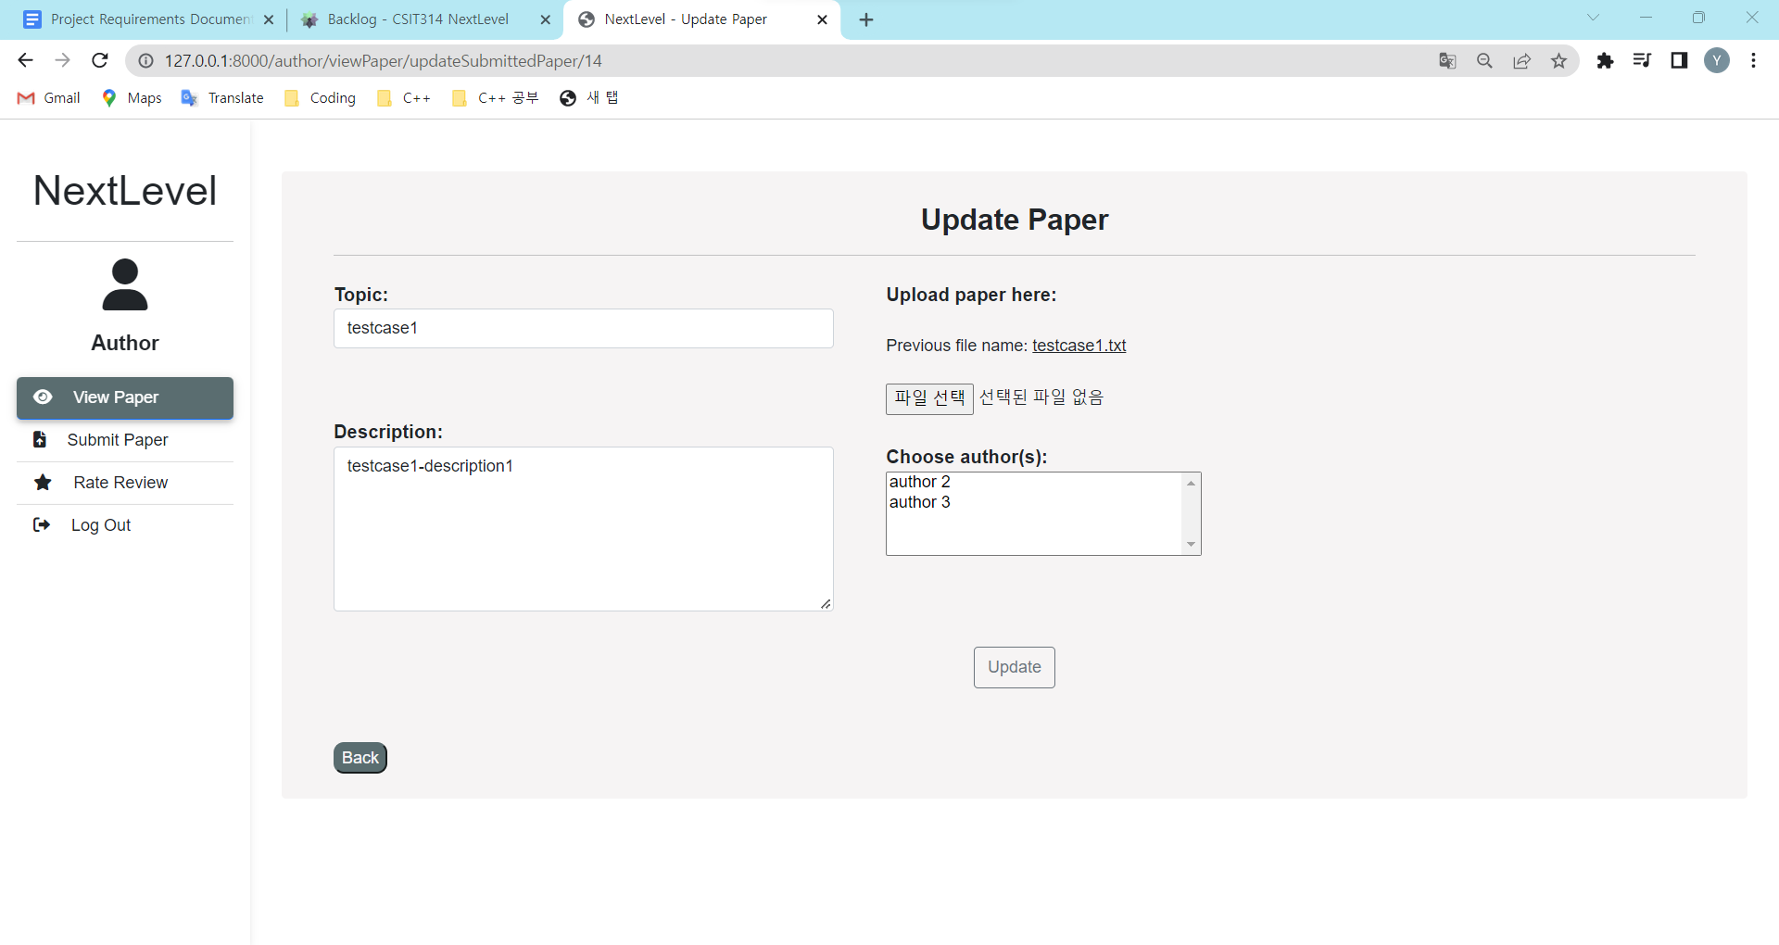
T2.3 - 3 | Author can edit paper details on topic, email, description, author and change file. | paper(topic, description, submitted_date, fileName), paper_authors(paper_id, author_id), | The changed details should reflected respectively. The user can key in the new details. | The changed details should reflected respectively. | Pass | 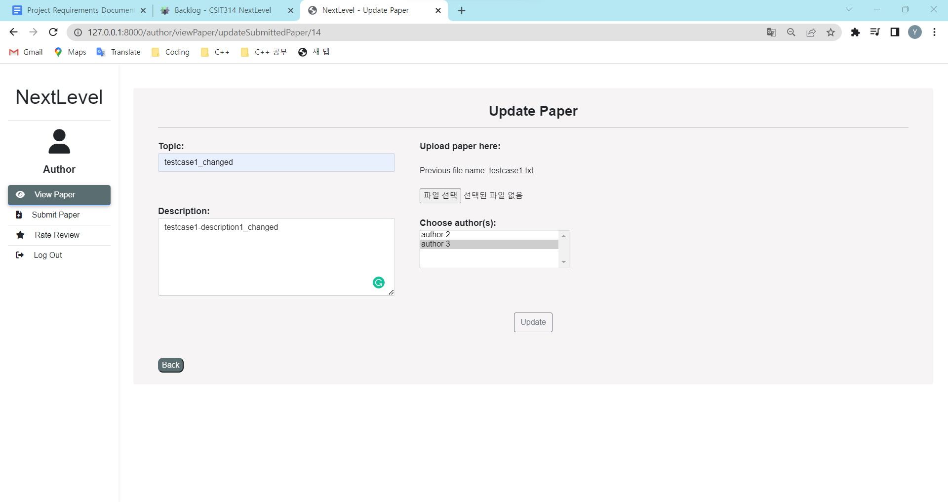
T2.3 - 4 | Author clicks "Upload" button |  | The system will update the details with new data and direct user to view paper page The user will be redirected to the view paper page and will be able to see the paper has been updated with a success message. | The system will update the details with new data and direct user to view paper page | Pass | 